Read Me
Calculator Description
The electric vehilce cost and emissions calculator was developed by Greenplanet Energy Analytics (GEA) to help users quantify the potential cost and emissions savings that can be achieved by purchasing an electric vehicle (EV), rather than a gas- or diesel-powered internal combustion engine vehicle (ICEV).

Data Sources
Where applicable, the calculator uses publically available data sources, as outlined below:
- Canadian residential electricity prices (Rylan Urban, energyhub.org)
- Canadian electrical grid intensity factors (Environment and Climate Change Canada)
- Canadian gasoline and diesel prices (Statistics Canada)
- Canadian weather data (Environment Canada, Historic Weather Report)
- U.S. residential electricity prices (U.S. Energy Information Administration)
- U.S. electrical grid intensity factors (U.S. Energy Information Administration)
- U.S. gasoline and diesel prices (U.S. Energy Information Administration)
- U.S. weather data (usclimatedata.com)
- Vehicle Purchase Price (Autotrader.ca)
- Fuel emissions factors (Environment Canada, National Inventory Report)

Additional data, such as maintenance costs and electrical upgrade costs, have been collected over time through collaboration with various electrical and mechanical contractors in and around Central Alberta.

Using the Calculator
The calculator user interface consists of a single worksheet, Dashboard. Within this worksheet, users will find several input forms. The first input form allows the user to enter the country and province/state that they live in - this will allow the calculator to assign an average local cost of electricity, gasoline, diesel, and grid emission intensity, as well as seasonal mean temperatures and a currency conversion. The second through fourth input forms allow users to overwrite the local average values by defining their own energy and/or financial data. The fifth input form allows the user to input their own driving habits (annual distance driven, proportion of driving on highway, and length of vehicle ownership), overwriting the assumed values provided by Natural Resources Canada (NRCan). The sixth and seventh input forms allow users to select an EV and ICEV from a pre-defined list for comparison; same as the previous input forms, the user is able to enter their own vehicle data for both the EV and ICEV. The eighth and ninth input forms allow users to overwrite GEA estimates for maintenance costs and manufacturing emissions for each type of vehicle. The tenth, and final, input form, allows users to include the cost of upgrading their electrical system for at-home EV charging. The plots, located along the right side of the dashboard, should auto-update as data are entered or removed.

Example Entry
Consider a person that lives in Edmonton, Alberta, driving a 2013 Chevy Cruze. They are considering buying a 2021 Nissan Leaf to replace their existing vehicle, as the majority of their driving (90% of 25,000 km annually) is in the city. The price of gas has increased significantly (to $1.65/L) in the past month, and they are paying 4.5 cents/kWh less than the provincial average for their electricity. The dealership has offered to buy the Chevy Cruze for $3,000, which would be put towards purchasing the Nissan Leaf, along with the $5,000 Federal iZEV rebate. Using NRCan's Fuel Consumption Ratings Search Tool, the person has determined that the average fuel economy for their current vehicle is around 8.8 L/100 km. Note: as the ICEV being considered in this example is not new, the ICEV purchase price and manufacturing emissions should both be set to zero. To better charge the EV, after consultation with an electrical contractor, a level 2 charger with additional load management would be installed. The dealership has offered to finance the EV under a 4-year loan at 4% annual interest with a 15% down payment.

The user-input forms, and the resulting output for this example are shown below.

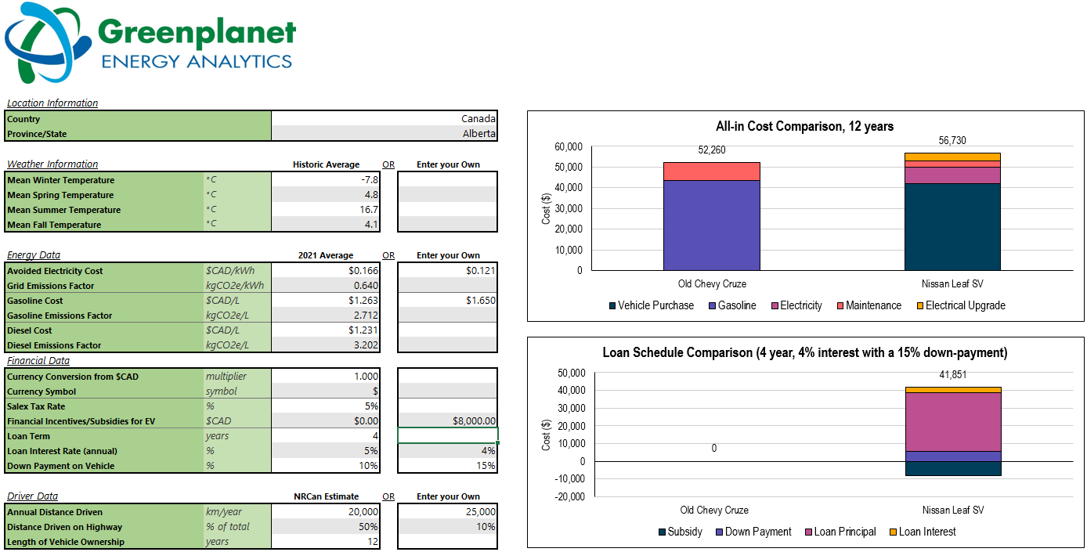

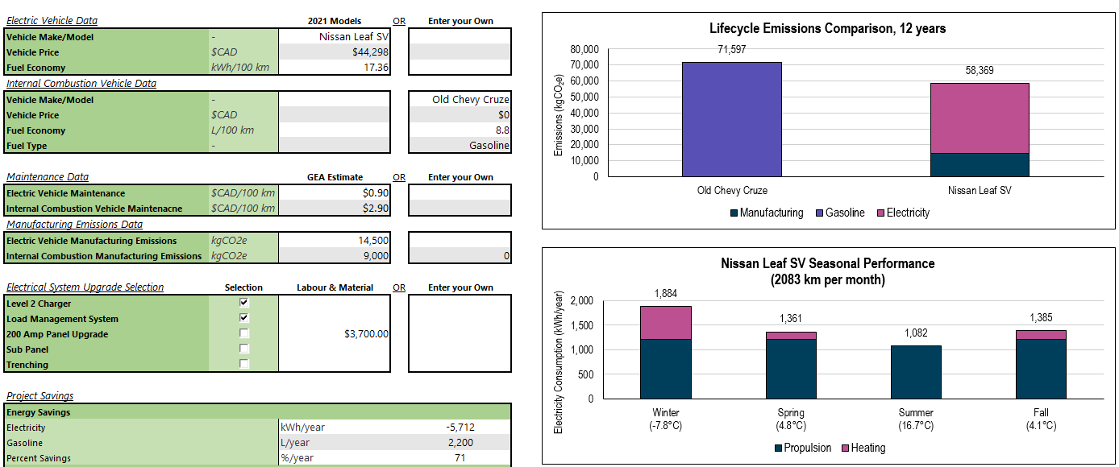

FAQs & Common Issues
Q1. I can't change my country because the drop-down list won't pop up.
A1. Make sure you delete your entry in the Province/State row before changing your country. The drop-down lists for these entries are linked, and must be filled out in a specific order (country, then province/state)

Q2. What is a grid-emissions factor?
A2. A grid-emissions factor quantifies the average greenhouse gas (GHG) emissions, in units kilograms of carbon dioxide-equivalent, per amount of electricity consumed, in units of kilowatt-hours. For example, a province that has a grid-emissions factor of 0.500 kgCO2e/kWh will emit half a kilogram of carbon dioxide for every kilowatt-hour of electricity consumed. Electricity systems with more renewable energy sources will have a lower grid-emissions factor than systems that rely more on fossil fuels.

Q3. How do I proceed if my country or province/state isn't available from the drop-down lists?
A3. The Country and Province/State entries are optional, and provide an average cost and grid-emission factors for the selected location. For locations that are not available in the calculators database, users are able to define their own electricity cost, fuel cost, grid emissions factors, etc. Users that do not know the grid-emissions factor for their location, can use the following equation to make a rough estimation: Grid-emissions factor ≈ (% of electricity produced by natural gas)*(0.413 kgCO2e/kWh) + (% of electricity produced by coal)*(1.01 kgCO2e/kWh) + (% of electricity produced by petroleum)*(0.966 kgCO2e/kWh) For example, in 2018, Alberta's electricity generation came from 49% natural gas, 43% coal, and 0.1% petroleum. Using the above equation, Alberta's emission factor for that year can be approximated as: AB emissions factor ≈ (49% natural gas)*(0.413 kgCO2e/kWh) + (43% coal)*(1.01 CO2e/kWh) + (0.1% petroleum)*(0.966 kgCO2e/kWh) = 0.638 kgCO2e/kWh

Q4: What is CO2e (carbon dioxide-equivalent)?
A4: CO2e refers to the equivalent amount of CO2 that would need to be released into the atmosphere to have the same global warming potential, i.e. impact on the environment. For example, methane gas (CH4) has a global warming potential 25-times greater than carbon dioxide, meaning 1 kgCH4 = 25 kgCO2e.

Q5: What is an avoided cost of electricity?
A5: If you look at your monthly electric utility bill, you'll notice that you will have been charged for both the energy that you consumed (in dollars per kilowatt-hour) as well as some additional fixed (dollar per day or dollar per month) and variable (dollar per kilowatt-hour) fees. The avoided cost of energy takes into account both the energy charge as well as any additional fees (e.g. delivery, rate riders, access fees) that also scale with the amount of energy consumed. Avoided cost provides a more accurate quantification of the cost savings of reducing your monthly electricity usage.

Q6: Why does temperature matter when purchasing an EV?
A6: Electric vehicle battery life, i.e. the maximum range that the vehicle can travel between charging, is dependent on temperature: partially because the battery performs better in mild (not too hot, not too cold) temperatures, but also because the EV runs an electric heating system during the winter to keep passengers warm, whereas ICEVs use excess heat from combustion to heat the cabin. This effect is shown in the bottom figure on the dashboard.

Q7: How is driving on the highway different than in the city?
A7: Electric vehicles have a feature called regenerative braking, where momentum of the decelerating vehicle is converted to electrical energy used to charge the battery; for this reason, EVs perform better in the city, where the vehicle will be making lots of starts and stops. Combustion vehicles do not have this feature, and are less efficient in the city where they are accelerating, braking, and idling more than they would on the highway.

Dashboard
All-in Cost Comparison, 12 years
 | Vehicle Purchase | Fuel | Electricity | Maintenance | Electrical Upgrade | Label
ICEV | 0 | 0 |  | 0 |  | $0
EV | 0 |  | 0 | 0 | 0 | $0
Location Information
Country
Province/State

Weather Information |  | Historic Average | OR | Enter your Own
Mean Winter Temperature | °C
Mean Spring Temperature | °C
Mean Summer Temperature | °C
Mean Fall Temperature | °C

Energy Data |  | 2021 Average | OR | Enter your Own
Avoided Electricity Cost | $CAD/kWh
Grid Emissions Factor | kgCO2e/kWh
Gasoline Cost | $CAD/L
Gasoline Emissions Factor | kgCO2e/L | 2.712
Loan Schedule Comparison (4 year, 5% interest with a 10% down-payment)
 | Subsidy | Down Payment | Loan Principal | Loan Interest | Label
 |  | 0 | 0 | 0 | 0
 | 0 | 0 | 0 | 0 | 0
Diesel Cost | $CAD/L
Diesel Emissions Factor | kgCO2e/L | 3.202
Financial Data
Currency Conversion from $CAD | multiplier | 1.000
Currency Symbol | symbol | $
Salex Tax Rate | %
Financial Incentives/Subsidies for EV | $CAD | $0.00
Loan Term | years | 4
Loan Interest Rate (annual) | % | 5%
Down Payment on Vehicle | % | 10%

Driver Data |  | NRCan Estimate | OR | Enter your Own
Annual Distance Driven | km/year | 20,000
Distance Driven on Highway | % of total | 50%
Length of Vehicle Ownership | years | 12

Lifecycle Emissions Comparison, 12 years
 | Manufacturing | Fuel | Electricity | Label
ICEV | 0 | 0 |  | 0
EV | 0 |  | 0 | 0
Electric Vehicle Data |  | 2021 Models | OR | Enter your Own
Vehicle Make/Model | -
Vehicle Price | $CAD
Fuel Economy | kWh/100 km
Internal Combustion Vehicle Data
Vehicle Make/Model | -
Vehicle Price | $CAD
Fuel Economy | L/100 km
Fuel Type | -

Maintenance Data |  | GEA Estimate | OR | Enter your Own
Electric Vehicle Maintenance | $CAD/100 km | $0.90
Internal Combustion Vehicle Maintenacne | $CAD/100 km | $2.90
Manufacturing Emissions Data
Electric Vehicle Manufacturing Emissions | kgCO2e | 14,500
EV Seasonal Performance (1667 km per month)
 | Propulsion | Heating | Label
Winter (°C) | 0 | 0 | 0
Spring (°C) | 0 | 0 | 0
Summer (°C) | 0 | 0 | 0
Fall (°C) | 0 | 0 | 0
Internal Combustion Manufacturing Emissions | kgCO2e | 9,000

Electrical System Upgrade Selection | Selection | Labour & Material | OR | Enter your Own
Level 2 Charger |  | $0.00
Load Management System
200 Amp Panel Upgrade
Sub Panel
Trenching

Project Savings
Energy Savings
Electricity |  | kWh/year |  | 0
Fuel |  | L/year |  | 0
Percent Savings |  | %/year |  | 0
Up-front Cost Savings
Energy Efficiency Comparison (1 L of Fuel contains 8 - 10 kWh of energy)
 | Propulsion | Heating | Charging Losses | Label
ICEV | 0.000 |  |  | 0
EV | 0.000 | 0.000 | 0.000 | 0
Vehicle Purchase |  | $ |  | 0
Electrical Upgrade |  | $ |  | 0
Total Cost |  | $ |  | 0
Operating Cost Savings
Electricity Cost |  | $/year |  | 0
Fuel Cost |  | $/year |  | 0
Maintenance Cost |  | $/year |  | 0
Total Cost |  | $/year |  | 0
Payback Period
Simple Payback |  | years
 |  | months
 |  | days
Emissions Savings
Manufacturing |  | kgCO2e |  | 0
Electricity |  | kgCO2e/year |  | 0
Fuel |  | kgCO2e/year |  | 0
Total (Annual Equivalent) |  | kgCO2e/year |  | 0
Percent Savings |  | %/year |  | 0

